DashBoard
Cost of the Product
^{₹ 2,000}
Range of The Device
2 KM
LifeLine Sales and Sufficiency Analysis

Matrix Infinity - SIH 2024

 | Household Size
Rural | 4.2
Urban | 3.8
Rural + urban | 4.1
Poverty Headcount
 | poverty
2015-2016 | 24.85%
2019-2021 | 14.96%

Poverty Headcount
^{14.96%}
No. of Households
Who can afford
²⁰⁶
Population Density per 2 Km²
⁹⁷⁰
No. of Households
per 2 Km²
²⁴³

Average MpcE (Rs.) at nominal price
 | Rural | Urabn
2009-10 | 1054 | 1984
2011-12 | 1430 | 2630
2022-23 | 3773 | 6459
 | Total No. of institutions | No. of institutions per km2
Andaman and Nicobar Islands | 446 | 0.054067159656
Andhra Pradesh | 62206 | 0.38169044332
Arunachal Pradesh | 3821 | 0.045627694255
Assam | 62085 | 0.79151686682
Bihar | 94198 | 1.0003716959
Chandigarh | 237 | 2.0789473684
Chhattisgarh | 56726 | 0.41959583407
Dadra and Nagar Haveli and Daman and Diu | 471 | 0.78109452736
Delhi | 5624 | 1.5191788223
Goa | 1619 | 0.0082591927519
Gujarat | 53893 | 1.2189677011
Haryana | 24212 | 0.43489662853
Himachal Pradesh | 18696 | 0.44260315807
Jammu and Kashmir | 29606 | 0.37139344674
Jharkhand | 44987 | 0.23456262286
Karnataka | 77005 | 1.9814476494
Kerala | 19085 | 0.32267608968
Lakshadweep | 47 | 0.00015247265225
Madhya Pradesh | 126033 | 0.40957970576
Maharashtra | 110316 | 4.9409235455
Manipur | 4647 | 0.20718712381
Meghalaya | 14757 | 0.70001423082
Mizoram | 4001 | 0.24132939261
Nagaland | 2754 | 1.8557951482
Odisha | 64095 | 0.41163852621
Puducherry | 750 | 1.5657620042
Punjab | 28383 | 0.56357968309
Rajasthan | 107125 | 0.31301225167
Sikkim | 1292 | 0.18207440812
Tamil Nadu | 60018 | 0.461471036
Telangana | 43946 | 0.39210542752
Tripura | 5084 | 0.48460585264
Uttar Pradesh | 262689 | 1.0903215899
Uttarakhand | 23275 | 0.43518501206
West Bengal | 96310 | 1.0851586443

Average MPCE
^{₹ 6,459.00}
Household MPCE
^{₹ 25,836.00}
No. Institutions every 2 Km
^{1.6}
Revenue from institutions
^{₹ 3,02,08,78,000}

Sales Percentage | No. of Nodes in Range | Sufficiency | Revenue per 2 Km
1% | 3 | 1 | ₹ 6,124
10% | 22 | 1 | ₹ 43,244
20% | 42 | 1 | ₹ 84,489
30% | 63 | 1 | ₹ 125,733
40% | 83 | 1 | ₹ 166,978
50% | 104 | 1 | ₹ 208,222
60% | 125 | 1 | ₹ 249,466
70% | 145 | 1 | ₹ 290,711
80% | 166 | 1 | ₹ 331,955
90% | 187 | 1 | ₹ 373,200
100% | 207 | 1 | ₹ 414,444

Assuming only 10% sales the probability that all 22 nodes are turned off is
2.384×10 −7 or 0.0000002384

DashBoard (2)
Cost of the Product
^{₹ 2,000}
Range of The Device
2 KM
LifeLine Sales and Sufficiency Analysis

Matrix Infinity - Hackfest 2024

 | Household Size
Rural | 4.2
Urban | 3.8
Rural + urban | 4.1
Poverty Headcount
 | poverty
2015-2016 | 24.85%
2019-2021 | 14.96%

Sales Percentage | No. of Nodes in Range | Sufficiency | Revenue per 2 Km
1% | 3 | 1 | ₹ 6,124.44
10% | 22 | 1 | ₹ 43,244.40
20% | 42 | 1 | ₹ 84,488.80
30% | 63 | 1 | ₹ 125,733.20
40% | 83 | 1 | ₹ 166,977.60
50% | 104 | 1 | ₹ 208,222.00
Population Density per 2 Km²
⁹⁷⁰
No. of Households
per 2 Km²
²⁴³
Poverty Headcount
^{14.96%}
No. of Households
Who can afford
²⁰⁶
60% | 125 | 1 | ₹ 249,466.40
70% | 145 | 1 | ₹ 290,710.80
80% | 166 | 1 | ₹ 331,955.20
90% | 187 | 1 | ₹ 373,199.60
Average MpcE (Rs.) at nominal price
 | Rural | Urabn
2009-10 | 1054 | 1984
2011-12 | 1430 | 2630
2022-23 | 3773 | 6459
 | Total No. of institutions | No. of institutions per km2
Andaman and Nicobar Islands | 446 | 0.054067159656
Andhra Pradesh | 62206 | 0.38169044332
Arunachal Pradesh | 3821 | 0.045627694255
Assam | 62085 | 0.79151686682
Bihar | 94198 | 1.0003716959
Chandigarh | 237 | 2.0789473684
Chhattisgarh | 56726 | 0.41959583407
Dadra and Nagar Haveli and Daman and Diu | 471 | 0.78109452736
Delhi | 5624 | 1.5191788223
Goa | 1619 | 0.0082591927519
Gujarat | 53893 | 1.2189677011
Haryana | 24212 | 0.43489662853
Himachal Pradesh | 18696 | 0.44260315807
Jammu and Kashmir | 29606 | 0.37139344674
Jharkhand | 44987 | 0.23456262286
Karnataka | 77005 | 1.9814476494
Kerala | 19085 | 0.32267608968
Lakshadweep | 47 | 0.00015247265225
Madhya Pradesh | 126033 | 0.40957970576
Maharashtra | 110316 | 4.9409235455
Manipur | 4647 | 0.20718712381
Meghalaya | 14757 | 0.70001423082
Mizoram | 4001 | 0.24132939261
Nagaland | 2754 | 1.8557951482
Odisha | 64095 | 0.41163852621
Puducherry | 750 | 1.5657620042
Punjab | 28383 | 0.56357968309
Rajasthan | 107125 | 0.31301225167
Sikkim | 1292 | 0.18207440812
Tamil Nadu | 60018 | 0.461471036
Telangana | 43946 | 0.39210542752
Tripura | 5084 | 0.48460585264
Uttar Pradesh | 262689 | 1.0903215899
Uttarakhand | 23275 | 0.43518501206
West Bengal | 96310 | 1.0851586443
100% | 207 | 1 | ₹ 414,444.00

Average MPCE
^{₹ 6,459.00}
Household MPCE
^{₹ 25,836.00}
No. Institutions every 2 Km
^{1.6}
Revenue from institutions
^{₹ 3,02,08,78,000}

Sheet1
Population of India | 1,441,719,852 |  | households in india | 360,429,963
Population Density (km2) | 485 | https://worldpopulationreview.com/ | households above poverty | 35989075978
People per 2Km | 970
Average size of house hold | 4 |  |  | ₹ 71,978,151,955,070
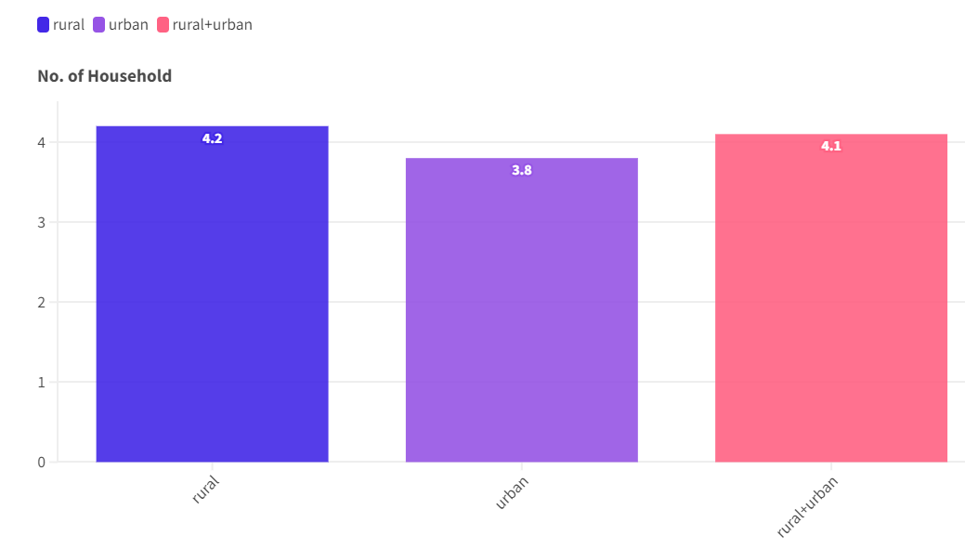
Price of one unit | ₹ 2,000
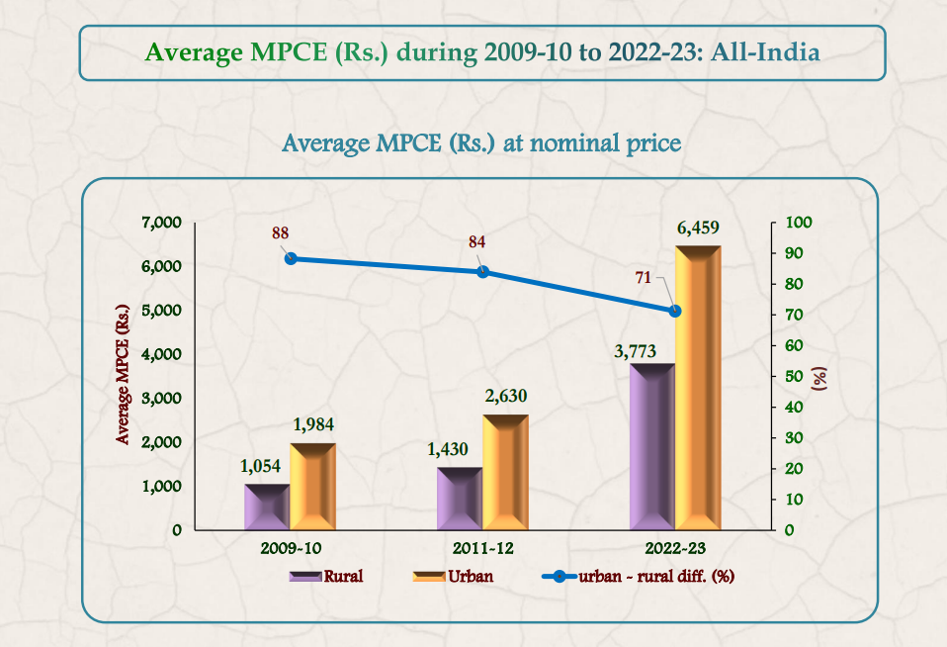

 |  |  |  |  |  |  |  |  |  |  | https://www.mospi.gov.in/estimated-number-households-average-household-size-and-sex-ratio-no-female-1000-male-2

MCPE(2022-2023) | ₹ 6,459.00
MPCE refers to the average amount of money spent by an individual in a household on various goods and services in a month |  |  |  |  |  |  | Sector | Household Size | year | poverty
Expenditure of an Household | ₹ 25,836.00 |  |  |  |  |  | Rural | 4.2 | 2015-2016 | 24.85%
Institution every 2 km | 1.6 |  |  |  |  |  | Urban | 3.8 | 2019-2021 | 14.96%
HouseHolds every 2km | 243 |  |  |  |  |  | Rural + urban | 4.1
Poverty headcount | 14.96%
HouseHolds every 2km who can afford the product | 206
 |  |  |  |  | sector | 2009-10 | 2011-12 | 2022-23
Sales Percentage | No of nodes in Range | Sufficiency | Revenu per 2Km2 | Total Revenue | Rural | 1054 | 1430 | 3773
1% | 3 | 1 | ₹ 6,124.44 | ₹ 1,079,672,279,326 | Urabn | 1984 | 2630 | 6459
10% | 22 | 1 | ₹ 43,244.40 | ₹ 10,796,722,793,261
20% | 42 | 1 | ₹ 84,488.80 | ₹ 21,593,445,586,521
30% | 63 | 1 | ₹ 125,733.20 | ₹ 32,390,168,379,782
40% | 83 | 1 | ₹ 166,977.60 | ₹ 43,186,891,173,042
50% | 104 | 1 | ₹ 208,222.00 | ₹ 53,983,613,966,303
60% | 125 | 1 | ₹ 249,466.40 | ₹ 64,780,336,759,563
70% | 145 | 1 | ₹ 290,710.80 | ₹ 75,577,059,552,824
80% | 166 | 1 | ₹ 331,955.20 | ₹ 86,373,782,346,084
90% | 187 | 1 | ₹ 373,199.60 | ₹ 97,170,505,139,345
100% | 207 | 1 | ₹ 414,444.00 | ₹ 107,967,227,932,606

Sheet2
Priority | Targets | Area of state | schools in state | Hospitals in state | schools per km | hospitals per km | Costal cities | Population | area of city | schools | Govt. schools | Hospitals | Govt. Hospitals
primary | schools, Hospitals, Govt buildings | 130058 | 58801 | 1217 | 0.45211367236 | 0.020696926923 | Chennai | 6,748,026 | 5,900 | 2667 | 420 | 1328 | 205 | https://www.cmchistn.com/hosp_list_district_multi.php?district=CHENNAI
secondary | NGO's SHG's | 59146 | 16240 | 2845 | 0.27457478105 | 0.17518472906 | Kochi | 677,381 | 440 | 205 | 34 |  | 106
tertiary | Individual retail buyers | 38863 | 76450 | 555 | 1.9671667138 | 0.007259646828 | Mangalore | 724,159 | 170 | 334
 |  | 22327 | 109605 | 711 | 4.909078694 | 0.0064869303408 | Mumbai | 12,442,373 | 6,328 | 1237
Tamil Nadu's disaster mitigation fund | ₹ 2,856,000,000 | 44212 | 53851 | 42 | 1.2180177327 | 0.00077992980632 | Surat | 6,936,534 | 722 | 879
Institutions within tamil nadu | 60,018 | 59146 | 16240 | 2845 | 0.27457478105 | 0.17518472906 | Thiruvananthapuram | 957,730 | 311 | 85
manufacturing costs per unit | 1500 | 162975 | 61948 | 258 | 0.38010737843 | 0.0041647833667 | Visakhapatnam | 2,091,811 | 7,328 | 434
total manufacturing costs for phase 1 | ₹ 90,027,000
percent of fund to be alocated | 3.15%

Segments | Revenue |  |  |  |  |  | Costal cities | States | Population of state | Population of city | ratio | Households in city | schools in state | schools in city | Govt. schools in state | Govt. Hospitals in state | Govt. schools in city | Govt. Hospitals in city | Govt. institutions
total available market(hh and inst. In disaster prone areas | ₹ 15,335,893,025 |  |  |  |  |  | Chennai | TamilNadu | 83,930,000 | 6,748,026 | 0.080400643393 | 1687007 | 58801 | 4728 | 37637 | 1217 | 3026 | 98 | 3124
Serviceable available market( institutions in those areas) | ₹ 46,886,025 |  |  |  |  |  | Kochi | Kerala | 35,090,000 | 677,381 | 0.019304103733 | 169345 | 16240 | 313 | 5010 | 2845 | 97 | 55 | 152
Serviceable obtainable market(Govt. institutions in those areas) | ₹ 29,181,664 |  |  |  |  |  | Mangalore | Karnataka | 71,710,000 | 724,159 | 0.010098438154 | 181040 | 76450 | 772 | 49679 | 555 | 502 | 6 | 507
 |  |  |  |  |  |  | Mumbai | Maharashtra | 131,590,000 | 12,442,373 | 0.094554092256 | 3110593 | 109605 | 10364 | 65639 | 711 | 6206 | 67 | 6274
 |  |  |  |  |  |  | Surat | Gujarat | 72,680,000 | 6,936,534 | 0.095439378096 | 1734134 | 53851 | 5140 | 34699 | 42 | 3312 | 4 | 3316
 |  |  |  |  |  |  | Thiruvananthapuram | Kerala | 35,090,000 | 957,730 | 0.02729353092 | 239433 | 16240 | 443 | 5010 | 2845 | 137 | 78 | 214
 |  |  |  |  |  |  | Visakhapatnam | Andhra Pradesh | 94,550,000 | 2,091,811 | 0.022123860391 | 522953 | 61948 | 1371 | 45137 | 258 | 999 | 6 | 1004
 |  |  |  |  |  |  | total |  | 524640000 | 30578014 | 0.35 | 7644504 | 393135 | 23130 | 242811 | 8473 | 14278 | 313 | 14591

TAM

₹ 15,33,58,93,025
Total Available Market
Disaster Management Market in Disaster prone areas

SAM

₹ 4,68,86,025
Serviceable Available Market
Institutions in disaster prone areas

SOM
₹ 2,91,81,664
Serviceable Obtainable Market
Govt. Institutions in disaster prone areas

Sheet3
TAM

Total Available Market
Disaster Management Market in Disaster prone areas

SAM

Serviceable Available Market
Institutions in disaster prone areas

SOM
Serviceable Obtainable Market
Govt. Institutions in disaster prone areas

